NIRS frame
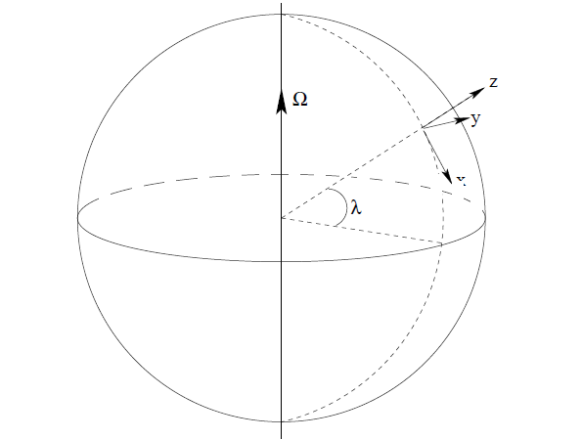
Coriolis Calculator
 | Latitude (deg) | 40 |  | lambda | 0.6981
 | Velocity (m/s) | 685
 | Firing azimuth (deg) | 0 |  | AZ | 0.0000
 | Quadrant elevation (mils) | 300 |  | theta | 0.3000
 | Range (m) | 15000
 | Earth omega (rad/s) | 0.0000727
 | Gravity (m/s^2) | 9.81

 | Initial horizontal velocity | 654.41
 | Initial vertical velocity | 202.43
 | Time of flight (m/s) | 41.27
 | Range | 27007.58

 | V0-x | 685.00
 | V0-y | 0.00
 | V0-z | 202.43
 | Coriolis ax | 0.0000 |  | ax | 0.0000
 | Coriolis ay | -0.0415 |  | ay | -0.0837
 | Coriolis az | 0.0000 | Mils | az | 0.0000
 | dx | 0 | 0
 | dy | -60.92 | -4.06
 | dz | 0.0000 | 0

ENU frame
Ω
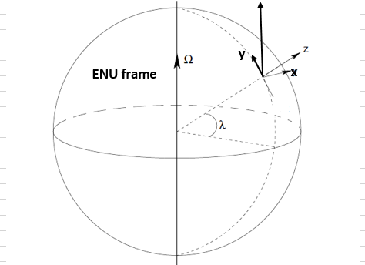
Coriolis Calculator
Inputs |  | Radians
Latitude (deg) / lambda | 40 | 0.698
Muzzle velocity (m/s) | 685
Firing azimuth (deg) | 90 | 1.571
Quadrant elevation (mils) | 300 | 0.300
Earth omega (rad/s) | 0.0000727
Gravity (m/s^2) | 9.81

Outputs
Time of flight (sec) | 41.27
Coriolis ax | -0.0225
Coriolis ay | -0.0612
Coriolis az | 0.0729
dx | -19.20
dy | -52.09
dz | 62.07

Final ENU frame
Ω
Coriolis Calculator
Inputs |  | Radians
Latitude (deg) / lambda | 40 | 0.698
Muzzle velocity (m/s) | 685
Firing azimuth (deg) | 45 | 0.785
Quadrant elevation (mils) | 300 | 0.300
Earth omega (rad/s) | 0.0000727
Gravity (m/s^2) | 9.81

Outputs
Time of flight (sec) | 41.27
Initial velocity - x | 462.73
initial velocity - y | 462.73
initial velocity - z | 202.43
Coriolis ax | 0.0207
Coriolis ay | -0.0432
Coriolis az | 0.0515
dx | 17.63
dy | -36.83
dz | 43.89

y
v cos θ

λ

x

